Vessel dimensions - DIN 28011
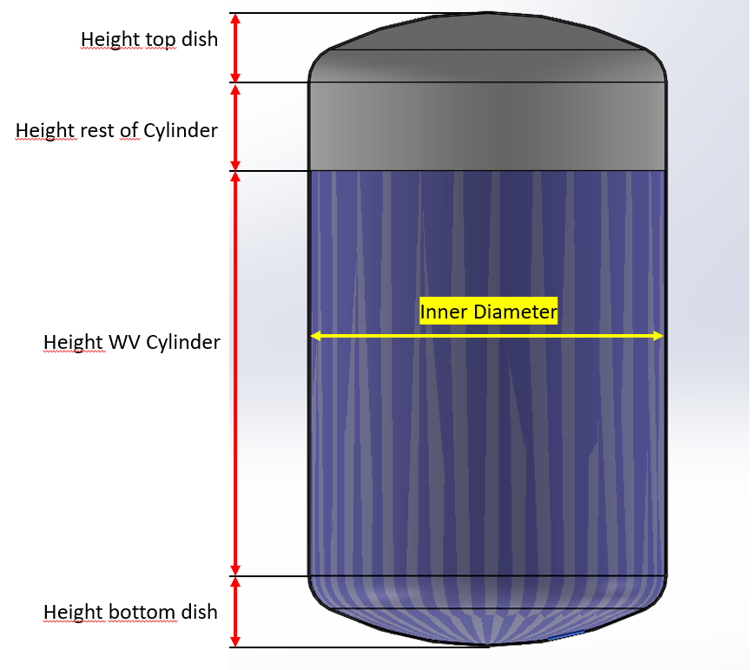
Torispherical (Kloepper Boden - DIN 28011) |  |  |  |  |  |  |  |  | Size | MHø/2 | TPø/2 | FSø/2 | TP to top of FS (FS2) | Top of MH | Last drop
Dimensions water volume |  |  |  |  |  |  |  |  | ZG1 | 35 | 27.5 | 9 | 61.3 | 90 | 16.4
Dish Type | Torispherical acc. to DIN 28011 (SMS2634, Kloepper) |  |  |  |  |  |  |  | ZG2 | 48 | 27.5 | 9 | 61.8 | 90.5 | 18.9
Volume | 1200 | L |  |  |  |  |  |  |  | 0 | 0 | 0
Inner diameter | 1650 | mm |  |  |  |  |  |  | ZG3 | 58.5 | 47 | 16 | 91 | 162.8 | 19.4
Inner radius | 825 | mm |  |  |  |  |  |  | ZG5 | 74 | 47 | 16 | 101 | 172.8 | 20.0
Wall thickness | 10 | mm |  |  |  |  |  |  | ZG6 | 80 | 52 | 16 | 102.5 | 174.3 | 19.6
Outer diameter | 1670 | mm |  |  |  |  |  |  | ZG7 | 88.5 | 64.75 | 16 | 106 | 177.8 | 18.9
Crown Radius (CR) | 1670 |  |  |  |  |  |  |  | ZG8 | 118 | 79.75 | 20 | 107.6 | 199.5 | 19.1
Knuckle Radius (KR) | 167 |  |  |  |  |  |  |  | ZG9 | 150 | 99.75 | 20 | 119.6 | 211.1 | 19.1
Center to KR (L) | 731.1 |  |  |  |  |  |  |  | ZG10 | 175 | 114.75 | 20 | 125.5 | 217 | 18.6
 |  |  |  |  |  |  |  |  | ZG11 | 200 | 124.75 | 0
Tankplate distance from center | 220mm - 366mm |  |  |  |  |  |  |  | ZG12 | 225 | 124.75 | 0
Tankplate distance from center (imperial) | 8,7 in - 14,4 in |  |  |  |  |  |  |  | HS2 | 33 | 40 | 9 | 89.8 | 138.2 | 42
Volume bottom dish (VD) | 445 | L |  |  |  |  |  |  | HS5 | 52.5 | 57 | 16 | 131.5 | 211.3 | 47
Height bottom dish (DH) | 318.6 | mm |  |  |  |  |  |  | HS8 | 69.5 | 80 | 20 | 169 | 260 | 58
Volume Cylinder | 755.4 | L |  |  |  |  |  |  | HP2 | 33 | 27.5 | 9 | 61.6 | 108.8 | 34.1
Height WV cylinder | 351.1 | mm |  |  |  |  |  |  | HP5 | 51.5 | 47 | 16 | 100.4 | 180.2 | 47.4
Ratio | 0.4 |  |  |  |  |  |  |  | HP8 | 68 | 79.75 | 20 | 137 | 228.8 | 78
 |  |  |  |  |  |  |  |  | ZGP2 | 48 | 27.5 | 9
 |  |  |  |  |  |  |  |  | ZGP5 | 75 | 47 | 16 | 101 | 179 | 20
Dimensions up to top of cylinder (Maximum Volume) |  |  | Mixer parameters |  |  |  |  |  | ZGP7 | 88.5 | 64.75 | 16 | 105 | 187 | 20
Volume rest of cyl | 0 | L | Mixers | ZG6 | ZGP7 | HP5 | HS8 | ZF160 | ZGP8 | 118 | 79.75 | 20 | 109 | 201 | 21.38
Inner diameter | 1650 | mm | TPø/2 [mm] | 52 | 64.75 | 47 | 80 | 84 | ZF100 | 70 | 54.75 | 36.75 | 55 | 66.5 | 31.1
Wall thickness | 10 | mm | Female Sleeve Radius (FSø/2) [mm] | 16 | 16 | 16 | 20 | 61 | ZF160 | 110 | 84 | 61 | 71.5 | 169.5 | 41.5
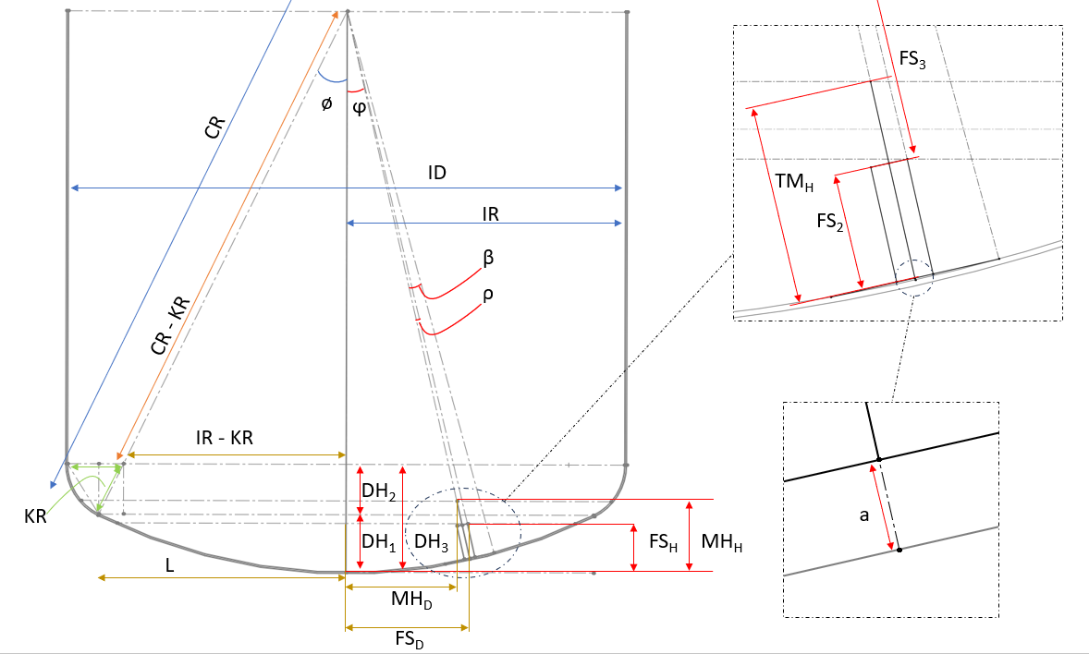
 |  |  | Female Sleeve Height (FS2) [mm] | 102.5 | 105 | 100.37 | 169 | 71.5
Height top dish | 318.6 | mm | Top of MH (TMH) [mm] | 174.3 | 187 | 180.17 | 260 | 169.5
Height rest of cylinder | 0.0 | mm | Last Drop height [mm] | 19.59 | 20 | 47.4 | 58 | 41.5
Complete vessel height | 988.3 | mm | MH/2 [mm] | 80 | 88.5 | 51.5 | 69.5 | 110

 |  |  | Min vol & Last drop | ZG6 | ZGP7 | HP5 | HS8 | ZF160
Vessel Weight |  |  | DH1 | 168.5 | 168.5 | 168.5 | 168.5 | 168.5
Tot Vessel inner Weight | 13157.2 | kg | ϕ [deg] | 7.55 | 7.55 | 7.55 | 7.55 | 7.55
Vessel outer Weight | 13819.6 | kg | β [deg] | 1.78 | 2.22 | 1.61 | 2.75 | 2.88
Estimated empty vessel weight | 670.0 | kg | a [mm] | 0.81 | 1.26 | 0.66 | 1.92 | 2.11
 |  |  | ρ (min vol) [deg] | 0.585 | 0.586 | 0.584 | 0.764 | 2.188
 |  |  | ρ (last drop) [deg] | 2.776 | 3.072 | 1.788 | 2.414 | 3.818
 |  |  | ρ (min vol ATEX) [deg] | 2.776
 |  |  | FS3 (min vol) [mm] | 1566.77 | 1563.83 | 1569.05 | 1499.22 | 1597.55
 |  |  | FS3 (last drop) [mm] | 1651.54 | 1651.12 | 1622.76 | 1611.58 | 1630.10
 |  |  | MH3 (min vol ATEX) [mm] | 1494.89 | 1481.74 | 1489.17 | 1408.08 | 1498.39
 |  |  | FSD (min vol) [mm] | 221.63 | 221.24 | 221.93 | 216.71 | 270.14
 |  |  | FSD (last drop) [mm] | 295.96 | 304.25 | 263.22 | 278.77 | 321.22
 |  |  | MHD (min vol ATEX) [mm] | 196.33 | 194.61 | 195.58 | 184.93 | 196.79
 |  |  | FSH (min vol) [mm] | 118.98 | 121.90 | 116.72 | 186.53 | 95.45
 |  |  | FSH (last drop) [mm] | 45.20 | 47.16 | 68.73 | 82.71 | 71.86
 |  |  | MHH (min vol ATEX) [mm] | 188.06 | 201.09 | 193.73 | 274.11 | 184.59
 |  |  | Minimum Continous working volume [L] | 72.51 | 76.07 | 69.81 | 175.98 | 46.89
 |  |  | Last Drop mixing volume during drain [L] | 10.62 | 11.56 | 24.45 | 35.30 | 26.70
 |  |  | Minimum Continous working volume ATEX [L] | 178.82 | 203.69 | 189.52 | 353.57 | 172.40

ZG
Mixing Intensity | 1 |  | 1 |  | 1 |  | 1 |  | 1 |  | 1 |  | 1 |  | 1 |  | 1 |  | 1 |  | 1
Mix Volume | 10 |  | 50 |  | 250 |  | 850 |  | 1200 |  | 2000 |  | 5000 |  | 10000 |  | 20000 |  | 20000 |  | 20000
 | Volume | Viscosity | Volume | Viscosity | Volume | Viscosity | Volume | Viscosity | Volume | Viscosity | Volume | Viscosity | Volume | Viscosity | Volume | Viscosity | Volume | Viscosity | Volume | Viscosity | Volume | Viscosity
 | ZG1 | ZG1 | ZG2 | ZG2 | ZG3 | ZG3 | ZG5 | ZG5 | ZG6 | ZG6 | ZG7 | ZG7 | ZG8 | ZG8 | ZG9 | ZG9 | ZG10 | ZG10
 | 10 | 1 | 50 | 1 | 250 | 1 | 850 | 1 | 1200 | 1 | 2000 | 1 | 5000 | 1 | 10000 | 1 | 20000 | 1 | 30000 | 1 | 50000 | 1
 | 9 | 5 | 46 | 5 | 228 | 5 | 774 | 5 | 1092 | 5 | 1820 | 5 | 4550 | 5 | 9100 | 5 | 18200 | 5
 | 8 | 10 | 42 | 10 | 208 | 10 | 706 | 10 | 996 | 10 | 1660 | 10 | 4150 | 10 | 8300 | 10 | 16600 | 10
 | 8 | 15 | 39 | 15 | 193 | 15 | 655 | 15 | 924 | 15 | 1540 | 15 | 3850 | 15 | 7700 | 15 | 15400 | 15
 | 7 | 20 | 36 | 20 | 180 | 20 | 612 | 20 | 864 | 20 | 1440 | 20 | 3600 | 20 | 7200 | 20 | 14400 | 20
 | 7 | 25 | 34 | 25 | 170 | 25 | 578 | 25 | 816 | 25 | 1360 | 25 | 3400 | 25 | 6800 | 25 | 13600 | 25
 | 7 | 30 | 33 | 30 | 164 | 30 | 557 | 30 | 786 | 30 | 1310 | 30 | 3275 | 30 | 6550 | 30 | 13100 | 30
 | 6 | 35 | 32 | 35 | 158 | 35 | 536 | 35 | 756 | 35 | 1260 | 35 | 3150 | 35 | 6300 | 35 | 12600 | 35
 | 6 | 40 | 31 | 40 | 154 | 40 | 523 | 40 | 738 | 40 | 1230 | 40 | 3075 | 40 | 6150 | 40 | 12300 | 40
 | 6 | 45 | 30 | 45 | 150 | 45 | 510 | 45 | 720 | 45 | 1200 | 45 | 3000 | 45 | 6000 | 45 | 12000 | 45
 | 6 | 50 | 29 | 50 | 147 | 50 | 498 | 50 | 703 | 50 | 1172 | 50 | 2930 | 50 | 5860 | 50 | 11720 | 50
 | 6 | 55 | 29 | 55 | 143 | 55 | 485 | 55 | 684 | 55 | 1140 | 55 | 2850 | 55 | 5700 | 55 | 11400 | 55
 | 6 | 60 | 28 | 60 | 140 | 60 | 476 | 60 | 672 | 60 | 1120 | 60 | 2800 | 60 | 5600 | 60 | 11200 | 60
 | 6 | 65 | 28 | 65 | 138 | 65 | 468 | 65 | 660 | 65 | 1100 | 65 | 2750 | 65 | 5500 | 65 | 11000 | 65
 | 5 | 70 | 27 | 70 | 135 | 70 | 459 | 70 | 648 | 70 | 1080 | 70 | 2700 | 70 | 5400 | 70 | 10800 | 70
 | 5 | 75 | 27 | 75 | 133 | 75 | 451 | 75 | 636 | 75 | 1060 | 75 | 2650 | 75 | 5300 | 75 | 10600 | 75
 | 5 | 80 | 26 | 80 | 130 | 80 | 442 | 80 | 624 | 80 | 1040 | 80 | 2600 | 80 | 5200 | 80 | 10400 | 80
 | 5 | 85 | 26 | 85 | 128 | 85 | 434 | 85 | 612 | 85 | 1020 | 85 | 2550 | 85 | 5100 | 85 | 10200 | 85
 | 5 | 90 | 25 | 90 | 125 | 90 | 425 | 90 | 600 | 90 | 1000 | 90 | 2500 | 90 | 5000 | 90 | 10000 | 90
 | 5 | 95 | 25 | 95 | 123 | 95 | 417 | 95 | 588 | 95 | 980 | 95 | 2450 | 95 | 4900 | 95 | 9800 | 95
 | 5 | 100 | 24 | 100 | 121 | 100 | 412 | 100 | 582 | 100 | 970 | 100 | 2425 | 100 | 4850 | 100 | 9700 | 100
 | 4 | 150 | 22 | 150 | 108 | 150 | 366 | 150 | 516 | 150 | 860 | 150 | 2150 | 150 | 4300 | 150 | 8600 | 150
 | 4 | 200 | 20 | 200 | 98 | 200 | 332 | 200 | 468 | 200 | 780 | 200 | 1950 | 200 | 3900 | 200 | 7800 | 200
 | 4 | 250 | 18 | 250 | 89 | 250 | 302 | 250 | 426 | 250 | 710 | 250 | 1775 | 250 | 3550 | 250 | 7100 | 250
 | 3 | 300 | 16 | 300 | 80 | 300 | 272 | 300 | 384 | 300 | 640 | 300 | 1600 | 300 | 3200 | 300 | 6400 | 300
 | 3 | 350 | 15 | 350 | 73 | 350 | 247 | 350 | 348 | 350 | 580 | 350 | 1450 | 350 | 2900 | 350 | 5800 | 350
 | 3 | 400 | 13 | 400 | 65 | 400 | 221 | 400 | 312 | 400 | 520 | 400 | 1300 | 400 | 2600 | 400 | 5200 | 400
 | 2 | 450 | 12 | 450 | 59 | 450 | 200 | 450 | 282 | 450 | 470 | 450 | 1175 | 450 | 2350 | 450 | 4700 | 450
 | 2 | 500 | 11 | 500 | 53 | 500 | 179 | 500 | 252 | 500 | 420 | 500 | 1050 | 500 | 2100 | 500 | 4200 | 500
 | 2 | 550 | 10 | 550 | 48 | 550 | 162 | 550 | 228 | 550 | 380 | 550 | 950 | 550 | 1900 | 550 | 3800 | 550
 | 2 | 600 | 9 | 600 | 43 | 600 | 145 | 600 | 204 | 600 | 340 | 600 | 850 | 600 | 1700 | 600 | 3400 | 600
 | 2 | 650 | 8 | 650 | 38 | 650 | 128 | 650 | 180 | 650 | 300 | 650 | 750 | 650 | 1500 | 650 | 3000 | 650
 | 1 | 700 | 7 | 700 | 33 | 700 | 112 | 700 | 158 | 700 | 264 | 700 | 660 | 700 | 1320 | 700 | 2640 | 700
 | 1 | 750 | 6 | 750 | 29 | 750 | 98 | 750 | 138 | 750 | 230 | 750 | 575 | 750 | 1150 | 750 | 2300 | 750
 | 1 | 800 | 5 | 800 | 25 | 800 | 85 | 800 | 120 | 800 | 200 | 800 | 500 | 800 | 1000 | 800 | 2000 | 800
Max vol at current cP | 10 |  | 50 |  | 250 |  | 850 |  | 1200 |  | 2000 |  | 5000 |  | 10000 |  | 20000 |  | 30000 |  | 50000

Recommended Mixer | ZG6 |  | Kod för implementering av ZG11 och ZG12 | ZG6 | ZG6
Alternative choice | 0

 | Storlek | N [rpm] | D [Mixer YD mm] | Power Number (Np) | ρ= densitet [kg/m3 ] | Volume [l] max | P (Teoretisk) [W] | τ Vridmoment mag [Nm] | τ Vridmoment uträknat [Nm] | P/V | Tip speed [m/s] | TP Diameter [mm] | Pumping Number NQ | Female Sleeve ID
 | ZG1 | 490 | 70 | 6.685 | 1000 | 10 | 6.120 | 1 | 0.12 | 0.61 | 1.80 | 55 | 1.16 | 18 |  | 0.062427827505 |  |  |  |  | Primary & alternative |  | Metric | Unit | Imperial | Unit
Referensvärde | ZG1 | 490 | 70 | 6.685 | 1000 | 10 | 6.120 | 1 | 0.12 | 0.61 | 1.80 | 55 | 1.16 | 18 |  | 1000 |  |  |  |  |  | Max speed: | 490 | rpm | 490 | rpm
 | ZG2 | 490 | 96 | 6.685 | 1000 | 50 | 29.689 | 1 | 0.58 | 0.594 | 2.46 | 55 | 1.16 | 18 |  |  |  |  |  |  |  | Power/Volume | 0.3182 | W/L | 1.204 | W/gal | Example graph
Referensvärde | ZG2 | 490 | 96 | 6.685 | 1000 | 50 | 29.689 | 1 | 0.58 | 0.594 | 2.46 | 55 | 1.16 | 18 |  |  |  |  |  |  |  | Tip Speed | 4.10 | m/s | 808 | ft/min
 | ZG3 | 490 | 117 | 6.685 | 1000 | 250 | 79.830 | 2 | 1.56 | 0.319 | 3.00 | 94 | 1.15 | 32 |  |  |  |  |  |  |  | Max speed - Indicative blending-time 1 | 1.83 | min | 1.83
Referensvärde | ZG3 | 490 | 117 | 6.685 | 1000 | 250 | 79.830 | 2 | 1.56 | 0.319 | 3.00 | 94 | 1.15 | 32 |  |  |  |  |  |  |  | Max speed - Indicative blending-time 2 | 3.00 | min | 3.00
 | ZG5 | 490 | 148 | 6.685 | 1000 | 850 | 258.550 | 6 | 5.0 | 0.304 | 3.80 | 94 | 1.1 | 32 |  |  |  |  |  |  |  | Max speed - Indicative blending-time | 1min 50s - 3min |  | 1min 50s - 3min
Referensvärde | ZG5 | 490 | 148 | 6.685 | 1000 | 850 | 258.550 | 6 | 5.0 | 0.304 | 3.80 | 94 | 1.1 | 32 |  |  |  |  |  |  | Set working speed | Set Working speed: | 490 | rpm | 490 | rpm
 | ZG6 | 490 | 160 | 6.685 | 1000 | 1200 | 381.800 | 8 | 7.4 | 0.318 | 4.10 | 104 | 1 | 32 |  |  |  |  |  |  |  | Power/Volume | 0.318 | W/L | 1.2044 | W/gal
Referensvärde | ZG6 | 490 | 160 | 6.685 | 1000 | 1200 | 381.800 | 8 | 7.4 | 0.318 | 4.10 | 104 | 1 | 32 |  |  |  |  |  |  |  | Tip Speed: | 4.10 | m/s | 808 | ft/min
 | ZG7 | 490 | 177 | 6.685 | 1000 | 2000 | 632.561 | 13 | 12.3 | 0.316 | 4.54 | 129.5 | 1 | 32 |  |  |  |  |  |  |  | Set working speed - Indicative blending-time | 2 - 3 | min | 2 - 3 | min
Referensvärde | ZG7 | 490 | 177 | 6.685 | 1000 | 2000 | 632.561 | 13 | 12.3 | 0.316 | 4.54 | 129.5 | 1 | 32 |  |  |  |  |  |  |  | Reynolds Factor | 0.5
 | ZG8 | 343 | 236 | 6.685 | 1000 | 5000 | 914.303 | 26 | 25.5 | 0.183 | 4.24 | 159.5 | 1 | 40 |  |  |  |  |  |  |  | Max - Pumping capacity | 2007.04
Referensvärde | ZG8 | 343 | 236 | 6.685 | 1000 | 5000 | 914.303 | 26 | 25.5 | 0.183 | 4.24 | 159.5 | 1 | 40 |  |  |  |  |  |  |  | set - Pumping capacity | 2007.04
 | ZG9 | 245 | 300 | 6.685 | 1000 | 10000 | 1105.993 | 50 | 43.1 | 0.111 | 3.85 | 199.5 | 1.15 | 40 |  |  |  |  |  |  |  | T95 | 1.7936862245
Referensvärde | ZG9 | 245 | 300 | 6.685 | 1000 | 10000 | 1105.993 | 50 | 43.1 | 0.111 | 3.85 | 199.5 | 1.15 | 40 |  |  |  |  |  |  |  | T99 | 2.9894770408
 | ZG10 | 245 | 350 | 6.685 | 1000 | 20000 | 2390.486 | 100 | 93.2 | 0.120 | 4.49 | 229.5 | 1.15 | 40
Referensvärde | ZG10 | 245 | 350 | 6.685 | 1000 | 20000 | 2390.486 | 100 | 93.2 | 0.120 | 4.49 | 229.5 | 1.15 | 40 |  |  |  |  |  |  |  |  | Time (minutes)
 | ZG11 | 245 | 400 | 6.685 | 1000 | 35000 | 4660.643 |  | 181.7 | 0.133 | 5.13 | 249.5 |  |  |  |  |  |  |  |  |  | Tank Turnovers at 1cP | Max speed | Set working speed
Referensvärde | ZG11 | 245 | 400 | 6.685 | 1000 | 35000 | 4660.643 |  | 181.7 | 0.133 | 5.13 | 249.5 |  |  |  |  |  |  |  |  |  | 0 | 0.00 | 0.00
 | ZG12 | 245 | 450 | 6.685 | 1000 | 60000 | 8398.631 |  | 327.3 | 0.140 | 5.77 | 249.5 |  |  |  |  |  |  |  |  |  | 1 | 0.60 | 0.60
Referensvärde | ZG12 | 245 | 450 | 6.685 | 1000 | 60000 | 8398.631 |  | 327.3 | 0.140 | 5.77 | 249.5 |  |  |  |  |  |  |  |  |  | 2 | 1.20 | 1.20
 |  |  |  |  |  |  |  |  |  |  |  |  |  |  |  |  |  |  |  |  |  | 3 | 1.79 | 1.79
 |  |  |  |  |  |  |  |  |  |  |  |  |  |  |  |  |  |  |  |  |  | 4 | 2.39 | 2.39
 |  |  |  |  |  |  |  |  |  |  |  |  |  |  |  |  |  |  |  |  |  | 5 | 2.99 | 2.99
 |  |  |  |  |  |  |  |  |  |  |  |  |  |  |  |  |  |  |  |  |  | 6 | 3.59 | 3.59
 |  |  |  |  |  |  |  |  |  |  |  |  |  |  |  |  |  |  |  |  |  | 7 | 4.19 | 4.19
 |  |  |  |  |  |  |  |  |  |  |  |  |  |  |  |  |  |  |  |  |  | 8 | 4.78 | 4.78
 |  |  |  |  |  |  |  |  |  |  |  |  |  |  |  |  |  |  |  |  |  | 9 | 5.38 | 5.38
 |  |  |  |  |  |  |  |  |  |  |  |  |  |  |  |  |  |  |  |  |  | 10 | 5.98 | 5.98

